SAFe
-- Scaled Agile Framework (SAFe) ---

The Scaled Agile Framework (SAFe) is an extensive, knowledge-based framework for developing scalable and Lean-Agile software and systems. It aligns collaboration and delivery across multiple agile teams, promoting alignment, collaboration, and delivery across large enterprises.

Key Components of SAFe:

1. **Agile Level**: At the foundation, agile teams employ Scrum, Kanban, or a hybrid approach to deliver value in fixed-length iterations.
Cross-functional groups that deliver value through working, tested software and systems.

2. **Program Level**: Above the teams, the Program level organizes multiple teams into an Agile Release Train (ART), which plans, commits, and executes together.

3. **Large Solution Level**: This optional level coordinates multiple ARTs to deliver solutions that are too large for a single ART.
For developing large, complex solutions that require coordination and integration.

4. **Portfolio Level**: The highest level aligns enterprise strategy to execution by organizing Agile Release Trains based on the company’s strategic themes and investment priorities.
Provides strategy and investment funding, Agile portfolio operations, and Lean governance.

Core Values:
- **Alignment**
- **Built-in Quality**
- **Transparency**
- **Program Execution**

### Diagram of SAFe Framework:
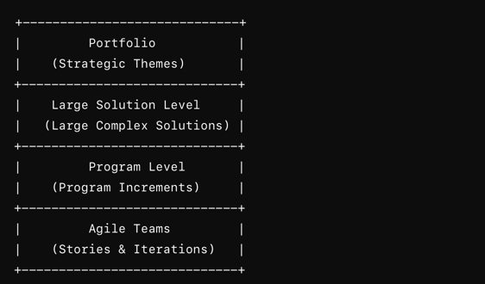

The diagram would typically illustrate these levels stacked, with strategic themes at the top flowing down to portfolio, large solution, program, and team levels.

